PAYROLLS.NO
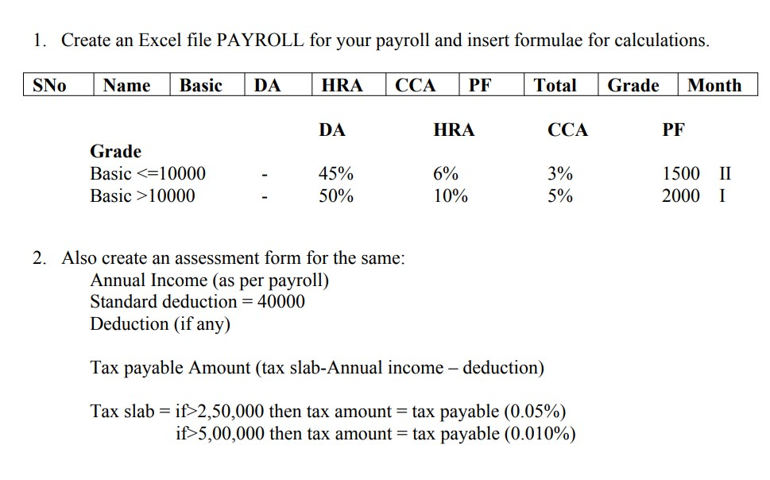

S.NO | NAME | BASIC | DA | HRA | CCA | PF | TOTAL | GRADE | MONTH | ANNUAL INCOME
1 | AJIT SINGH | ₹ 9,500.00 | ₹ 4,275.00 | ₹ 570.00 | ₹ 285.00 | ₹ 1,500.00 | ₹ 16,130.00 | II | JANUARY | ₹ 193,560.00
2 | ABHAY CHAURASIA | ₹ 20,000.00 | ₹ 10,000.00 | ₹ 2,000.00 | ₹ 1,000.00 | ₹ 2,000.00 | ₹ 35,000.00 | I | JANUARY | ₹ 420,000.00
3 | NEELESH CHAUBEY | ₹ 9,500.00 | ₹ 4,275.00 | ₹ 570.00 | ₹ 285.00 | ₹ 1,500.00 | ₹ 16,130.00 | II | MARCH | ₹ 193,560.00
4 | SACHIN JAIN | ₹ 30,000.00 | ₹ 15,000.00 | ₹ 3,000.00 | ₹ 1,500.00 | ₹ 2,000.00 | ₹ 51,500.00 | I | APRIL | ₹ 618,000.00
5 | KARTIK PARASAR | ₹ 15,000.00 | ₹ 7,500.00 | ₹ 1,500.00 | ₹ 750.00 | ₹ 2,000.00 | ₹ 26,750.00 | I | JANUARY | ₹ 321,000.00
6 | NIKHIL SINGH | ₹ 25,000.00 | ₹ 12,500.00 | ₹ 2,500.00 | ₹ 1,250.00 | ₹ 2,000.00 | ₹ 43,250.00 | I | JANUARY | ₹ 519,000.00
7 | RAGHVENDRA NAMDEV | ₹ 10,000.00 | ₹ 4,500.00 | ₹ 600.00 | ₹ 300.00 | ₹ 1,500.00 | ₹ 16,900.00 | II | JULY | ₹ 202,800.00
8 | MANU NAYAK | ₹ 40,000.00 | ₹ 20,000.00 | ₹ 4,000.00 | ₹ 2,000.00 | ₹ 2,000.00 | ₹ 68,000.00 | I | AUGUST | ₹ 816,000.00
9 | PRIYANSHU SHIVHARE | ₹ 35,000.00 | ₹ 17,500.00 | ₹ 3,500.00 | ₹ 1,750.00 | ₹ 2,000.00 | ₹ 59,750.00 | I | SEPTEMBER | ₹ 717,000.00
10 | MOHAN PATEL | ₹ 8,000.00 | ₹ 3,600.00 | ₹ 480.00 | ₹ 240.00 | ₹ 1,500.00 | ₹ 13,820.00 | II | JANUARY | ₹ 165,840.00
11 | RAZIQ HASHMI | ₹ 7,000.00 | ₹ 3,150.00 | ₹ 420.00 | ₹ 210.00 | ₹ 1,500.00 | ₹ 12,280.00 | II | JANUARY | ₹ 147,360.00
12 | AKASH RAJPUT | ₹ 50,000.00 | ₹ 25,000.00 | ₹ 5,000.00 | ₹ 2,500.00 | ₹ 2,000.00 | ₹ 84,500.00 | I | JANUARY | ₹ 1,014,000.00

 | TAX CALCULATION

 | NAME | RAZIQ HASHMI
 | ANNAUAL INCOME | ₹ 147,360.00
 | STANDARD DEDUCTION | ₹ 40,000.00
 | ANY OTHER DEDUCTION

 | TAXABLE AMOUNT | ₹ 107,360.00

 | TAX SLAB | NO TAX PAYABLE

 | TAX AMOUNT TO BE PAID | 0

